Sheet1
 |  | Document No. | Issue No. | Issue Date |  | Review and Replace Date |  | Authorised By
 |  | GFF173MC | 1 | 03.04.2020 |  | New Issue |  | Magda Shah
 |  | Document Title | Vegetable Balti 1250g - Click & Collect
Document amendments reason for change |  | New product launch |  | Page 1 of 1 | Previous Issue Date |  | New Issue | Uncontrolled copy unless signed original

CVBA-R1BEB | BOOTHS - CNC |  | VEGETABLE BALTI 1250g | CHILLED
STEP 1 |  |  |  |  | STEP 2
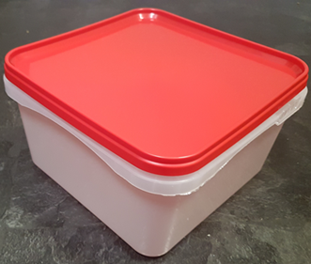 |  |  |  |  | 

Use by applied from Date of Cooking

Tray/Lid: SALAD TUB RED LID NATURAL 2.4/4 LTR (PKSHA002-02) |  |  |  |  | Vegetable Balti (GFF244R) 1250g

ALLERGY ALERT: MUSTARD

